Sheet1
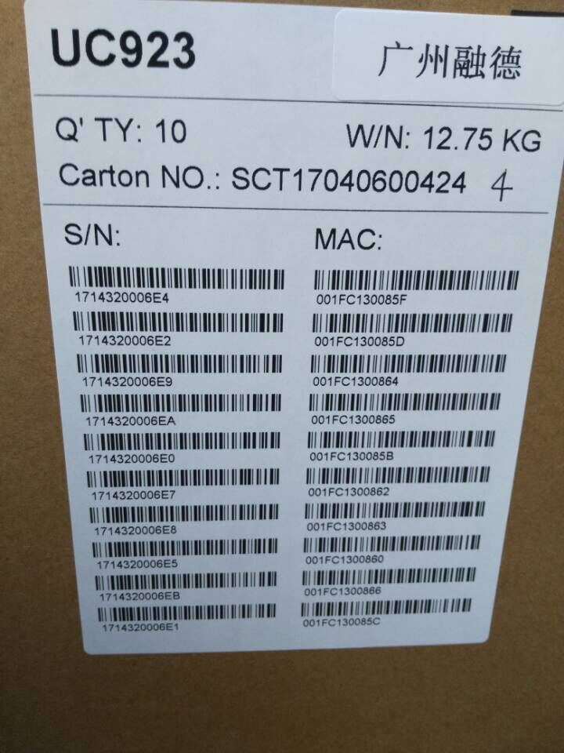
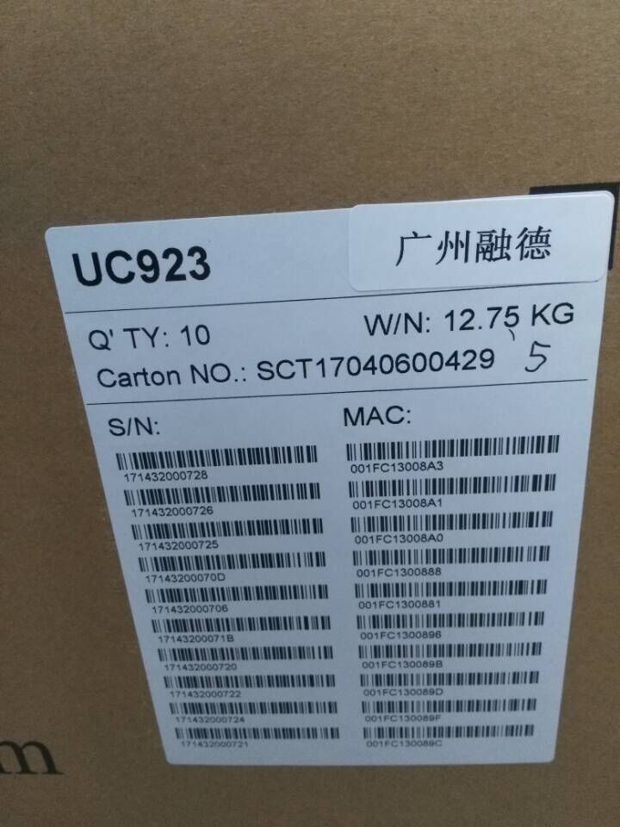
MAC | SN
001FC11C120C | 16482B000478 | 924
001FC11C120D | 16482B000479
001FC11C120E | 16482B00047A
001FC11C120F | 16482B00047B
001FC11C1210 | 16482B00047C
001FC11C1211 | 16482B00047D
001FC11C1212 | 16482B00047E
001FC11C1213 | 16482B00047F
001FC11C1214 | 16482B000480
001FC11C1215 | 16482B000481
NO.129 | NO.129
001FC11C1216 | 16482B000482
001FC11C1217 | 16482B000483
001FC11C1218 | 16482B000484
001FC11C1219 | 16482B000485
001FC11C121A | 16482B000486
001FC11C121B | 16482B000487
001FC11C121C | 16482B000488
001FC11C121D | 16482B000489
001FC11C121E | 16482B00048A
001FC11C121F | 16482B00048B
NO.130 | NO.130
001FC11C2C0F | 17062E000BFD | 902P
001FC11C2C10 | 17062E000BFE
001FC11C2C11 | 17062E000BFF
001FC11C2C12 | 17062E000C00
001FC11C2C13 | 17062E000C01
001FC11C2C14 | 17062E000C02
001FC11C2C15 | 17062E000C03
001FC11C2C16 | 17062E000C04
001FC11C2C17 | 17062E000C05
001FC11C2C18 | 17062E000C06
NO.242 | NO.242
001FC11C2C5F | 17062E000C4D
001FC11C2C60 | 17062E000C4E
001FC11C2C61 | 17062E000C4F
001FC11C2C62 | 17062E000C50
001FC11C2C63 | 17062E000C51
001FC11C2C64 | 17062E000C52
001FC11C2C65 | 17062E000C53
001FC11C2C66 | 17062E000C54
001FC11C2C67 | 17062E000C55
001FC11C2C68 | 17062E000C56
NO.250 | NO.250
001FC11C2E5D | 17062E000E4B
001FC11C2E5E | 17062E000E4C
001FC11C2E5F | 17062E000E4D
001FC11C2E60 | 17062E000E4E
001FC11C2E61 | 17062E000E4F
001FC11C2E62 | 17062E000E50
001FC11C2E63 | 17062E000E51
001FC11C2E64 | 17062E000E52
001FC11C2E65 | 17062E000E53
001FC11C2E66 | 17062E000E54
NO.301 | NO.301
001FC11C3FAD | 17122F0007F6 | 902
001FC11C3FAE | 17122F0007F7
001FC11C3FAF | 17122F0007F8
001FC11C3FB0 | 17122F0007F9
001FC11C3FB1 | 17122F0007FA
001FC11C3FB2 | 17122F0007FB
001FC11C3FB3 | 17122F0007FC
001FC11C3FB4 | 17122F0007FD
001FC11C3FB5 | 17122F0007FE
001FC11C3FB6 | 17122F0007FF
NO.19 | NO.19
001FC11C4011 | 17122F00085A
001FC11C4012 | 17122F00085B
001FC11C4013 | 17122F00085C
001FC11C4014 | 17122F00085D
001FC11C4015 | 17122F00085E
001FC11C4016 | 17122F00085F
001FC11C4017 | 17122F000860
001FC11C4018 | 17122F000861
001FC11C4019 | 17122F000862
001FC11C401A | 17122F000863
NO.29 | NO.29
001FC11C401B | 17122F000864
001FC11C401C | 17122F000865
001FC11C401D | 17122F000866
001FC11C401E | 17122F000867
001FC11C401F | 17122F000868
001FC11C4020 | 17122F000869
001FC11C4021 | 17122F00086A
001FC11C4022 | 17122F00086B
001FC11C4023 | 17122F00086C
001FC11C4024 | 17122F00086D
NO.30 | NO.30

923

